Table 1
LENNY 2BTN-NOTCH |  |  |  |  |  |  |  | Overview

Product Attributes
Placeholder No |  | HQ158777
Design Ref Number |  | JACKET 256
Style Description |  | LENNY 2BTN-NOTCH
Chief Value Fiber
Purchase Type |  | BLOCK
Buy Type
Model Code
JAMCO Model Code
Block(1)
Block(2)
Block(3)
Drop Size
Packaging Instructions
Hierarchy Information
Product Assortment
Season
Brand
Buyer by Div/Cats
Label
Category |  |  |  | 6-SPORTSWEAR
Subcategory |  |  |  | 62-SOFT JACKET
Gender |  |  |  | MENS
Start In DC Date
End In DC Date
Colorway Table
Color | Color Name |  |  |  |  | UCC | Care Label |  | Color Status
No Colorways available
Owners & Status
Product Developer
Tech Designer |  | DRAGAN UDOVICIC
Designer
Style Status |  | WIP
Costing Status |  | NEW
Created |  | 11/21/2022
Last Modified |  | 11/21/2022
Comments
Soft version of Lenox Classic Fit.
Size Range
Size Range |  |  |  |  | Body Type
MJVSXBTGR |  |  |  |  | CLASSIC
MJVSBTGR |  |  |  |  | CLASSIC
MJVSRGR |  |  |  |  | CLASSIC
GARMENT TREATMENT |  |  | Treatment Type
No Treatments available
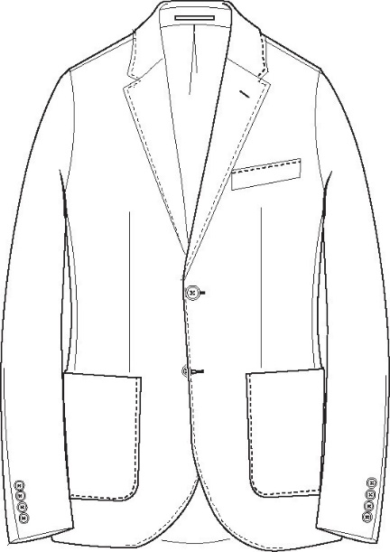
CONFIDENTIALITY Copyright (C) 2002 - 2017 by Bamboo Rose, LLC All Rights Reserved |  |  |  |  |  |  |  |  |  | 1 of 10 Date/Time: 01/30/2024 05:04 PM

